DISP
N-1 SILICON Bump Name - PTL-UH |  |  |  |  |  | N SILICON Bump Name - WCL |  |  | N-1_Interposer_to_ERB mapping config
Ports | DDI Port | Remarks | AUX | DDC | HPD | Ports | DDI Port | Connector Type | Remarks | AUX | DDC | HPD
Combo Phy Port A | DDIA | 1:1 Connection | DDIA_AUX | NA | DDSP_HPDALV | Combo Phy Port A | DDIA | eDP | eDP HBR3 speed (default) | DDIA_AUX | NA | DDSP_HPDALV
TCP Port 2 | TCP2 | Using PTL TCP2 for WCL DDIB Validation | NA | DDP3_CTRLCLK DDP3_CTRLDATA | DDSP_HPD3 | Combo Phy Port A | DDIB | HDMI | HDMI CRLS 2.1b 6G (default) | NA | DDPB_CLK/DATA | DDSP_HPDB
 |  |  |  |  |  |  |  | HDMI | HDMI ALS 2.1b 6G (rework) | NA | DDPB_CLK/DATA | DDSP_HPDB

DISPLAY_ID (default) | 1000
DISPLAY_ID (rework) | 1000

Note : HDMI 2.1 Redriver : PI3HDX1204CZHEX (Diodes)

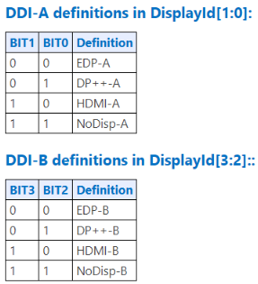

*Note:

